About
 | About The Company

 | HDFC Bank Limited (also known as HDFC) is an Indian banking and financial services company headquartered in Mumbai. It is India's largest private sector bank by assets and the world's tenth-largest bank by market capitalization as of May 2024.

 | Key Points

 | Market Position
 | The company is India's one of 3 systemically important banks with a 15% market share in the banking sector’s advances and a 37% market share in the private sector banks’ advances as of FY24. It is also the second-largest bank in India. It is among the top 3 Government Banks collecting direct and indirect taxes for the Government of India. It is a market leader in almost every asset category.

 | Key Ratios Q3 FY26 | HDFC | Industry Avg
 | Capital Adequacy Ratio: | 19.90% | 17.70%
 | NIM: | 3.50% | 3.30%
 | Gross NPA: | 1.20% | 1.80%
 | Net NPA: | 0.40% | 0.50%
 | Cost to Income ratio: | 39.20% | 45%
 | ROA: | 1.90% | 1.20%

 | Amalgamation
 | In July 2023, HDFC bank completed its amalgamation with its promoter, HDFC Ltd. With this merger, the bank now operates across various segments, including banking, insurance (through HDFC Life Insurance and HDFC Ergo General Insurance), and asset management (via HDFC Asset Management).

 | Focus
 | The bank focuses on growing its CASA mix by bringing new customers. It maintains the objectives of profitable growth.

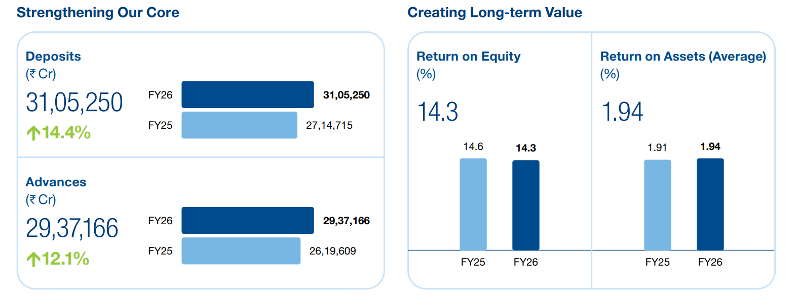
 | Financial Snapshot

 | Market Cap | ₹ 11,11,989 Cr. |  | ROE | 13.60%
 | Current Price | ₹ 721 |  | Face Value | ₹ 1.00
 | High / Low | ₹ 1,020 / 698 |  | Profit growth | 12.00%
 | Stock P/E | 13.7 |  | No. of Share Holders | 45,32,753
 | Book Value | ₹ 390 |  | No. Eq. Shares | 1,541
 | Dividend Yield | 1.84% |  | EBITDA | ₹ 2,93,893 Cr.
 | ROCE | 7.02%

 | Asset quality remained resilient: Despite the significant expansion in HDFC Bank’s loan book following the HDFC Ltd merger, asset quality remained resilient, with Gross NPA and Net NPA remaining controlled. Maintaining asset quality while expanding the post-merger balance sheet will remain important for sustaining profitability.

 | Capital position remained strong: HDFC Bank maintained a strong capital position, providing sufficient capacity to absorb the HDFC Ltd merger and continue supporting credit growth without major capital constraints.

